Background
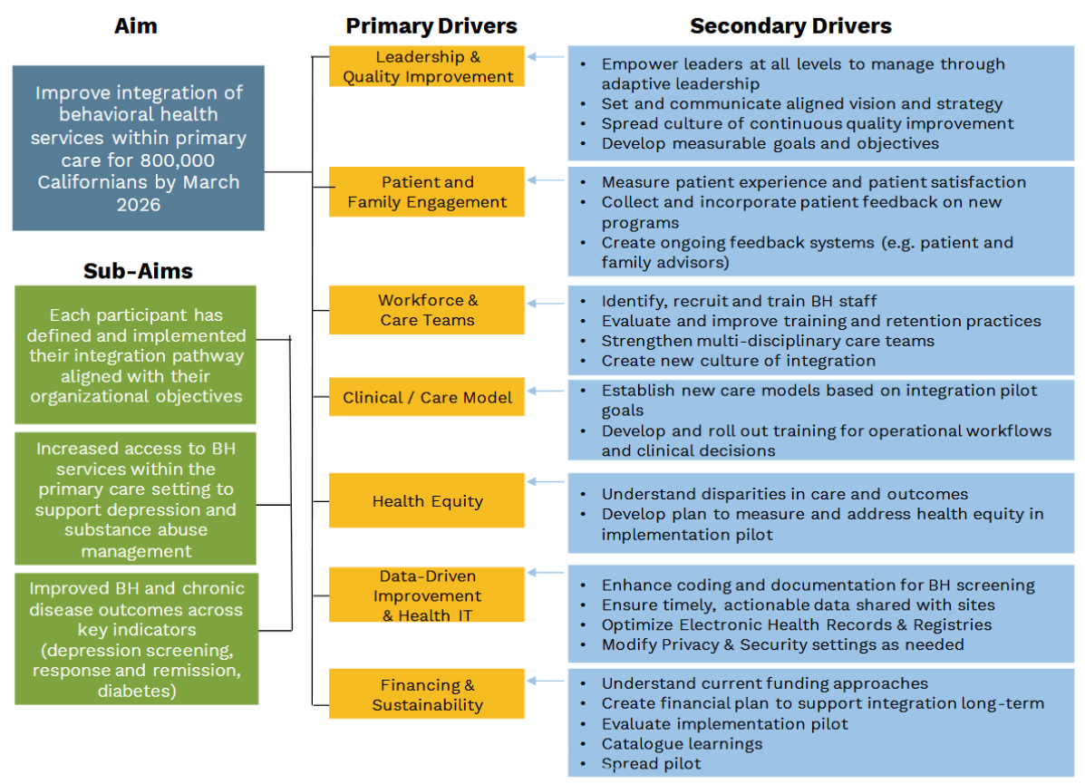
BACKGROUND
CalHIVE Behavioral Health Integration (BHI) Improvement Collaborative | CalHIVE Behavioral Health Integration (BHI) Improvement Collaborative is a three-year program operated by the Purchaser Business Group on Health's California Quality Collaborative (CQC). CalHIVE BHI begins July 2023 and will focus on supporting California provider organizations as they integrate behavioral health services into primary care. More information can be found on the program website: www.pbgh.org/calhive-bhi
About the Implementation Milestone Assessment Tool (IMAT) | The Implementation Milestone Assessment Tool (IMAT) is an assessment tool designed to measure change and opportunities within the provider organization around behavioral health integration, as well as synthesizing the impact of CalHIVE BHI. The IMAT will be completed through meetings between the assigned Improvement Advisor (IA) and the project team at the provider organization four times during the program: July 2023, January 2024, January 2025, and January 2026.
Curriculum | The BHI Curriculum walks learners through a step-wise approach to implementation rooted in quality improvement methodologies, such as the Model for Improvement. All activities are learner-centered, using adult learning approaches that enable participants to apply and adapt expertise to their own care settings. In tandem, these two approaches support organizations tackling complex projects by promoting team accountability, leveraging team and organizational strengths, testing and evaluating successful practices and spreading what works. The curriculum features content from over 60 leading organizations across the country, including perspectives from a diverse set of provider organizations across commercial and safety-net sectors. This resource reflects CQC’s experience guiding practice change over 10 years in more than 2,000 practices through large-scale, multi-year improvement collaboratives and its expertise developing quality improvement learning and resources to support care teams to effectively implement evidence-based best practices. The curriculum can be accessed here: www.pbgh.org/bhiicc

Driver Diagram

